CC-KPI3
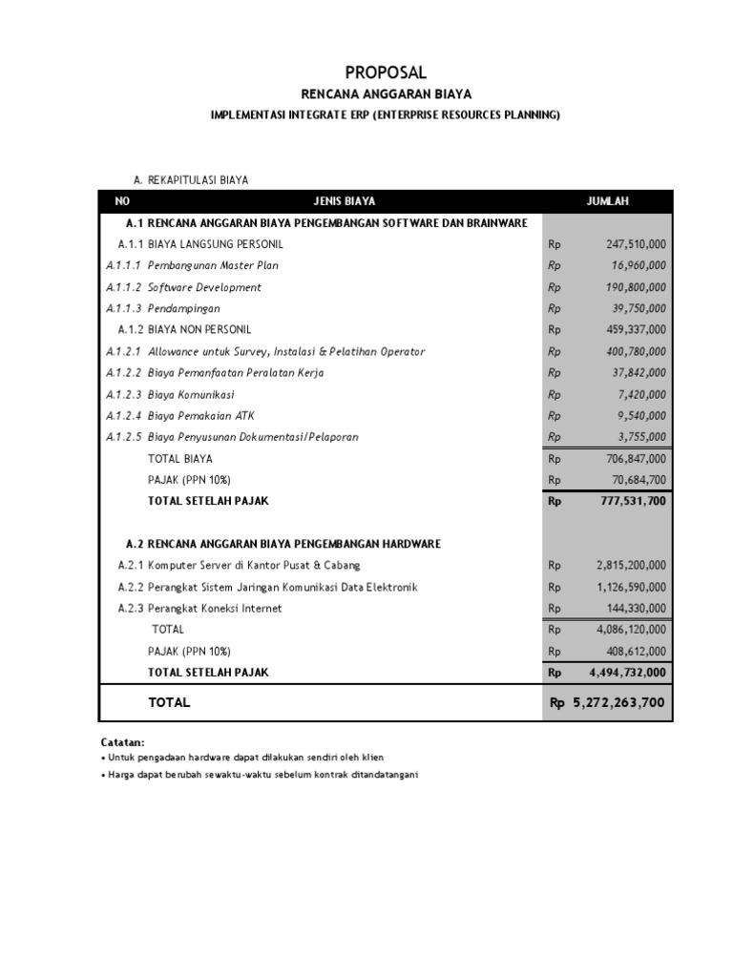
No | Tanggal | Keterangan | Anggaran | Jumlah
1 | 2022-01-01 | Modal | 50,000,000
2 | 2022-01-03 | Biaya Internet |  | 1,500,000
3 | 2022-01-05 | Biaya Aplikasi Travel |  | 4,000,000
4 | 2022-02-05 | Biaya Aplikasi Travel |  | 4,000,000
5 | 2022-03-05 | Biaya Aplikasi Travel |  | 4,000,000
6 | 2022-03-07 | Biaya Tablet |  | 6,000,000
7 | 2022-05-08 | Biaya Maintanance PC |  | 2,000,000
8 | 2022-06-10 | Biaya Internet |  | 1,500,000
9 | 2022-08-13 | Biaya Aplikasi Travel |  | 4,000,000
10 | 2022-10-11 | Biaya Ganti RAM Laptop |  | 800,000
11 | 2022-12-12 | Biaya Laptop |  | 10,000,000
12 | 2022-12-14 | Pelatihan TI |  | 5,000,000
 |  |  |  | 42800000

